Figure 14-5
GPSA Engineering Data Book 14th Edition

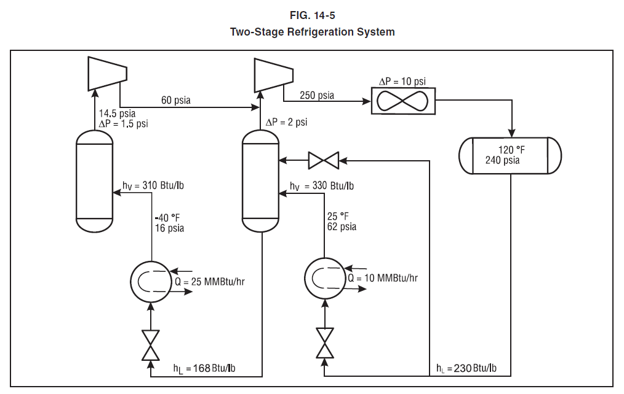

The sample calculations, equations and spreadsheets presented herein were developed using examples published in the Engineering Data Book as published by the Gas Processor Suppliers Association as a service to the gas processing industry. All information and calculation formulae has been compiled and edited in cooperation with Gas Processors Association (GPA).
While every effort has been made to present accurate and reliable technical information and calculation spreadsheets based on the GPSA Engineering Data Book sample calculations, the use of such information is voluntary and the GPA and GPSA do not guarantee the accuracy, completeness, efficacy, or timeliness of such information. Reference herein to any specific commercial product, calculation method, process, or service by trade-name, trademark, and service mark manufacturer or otherwise does not constitute or imply endorsement, recommendation or favoring by the GPA and/or GPSA.
The Calculation Spreadsheets are provided without warranty of any kind including warranties of accuracy or reasonableness of factual or scientific assumptions, studies or conclusions, or merchantability, fitness for a particular purpose, or non-infringement of intellectual property.
In no event will the GPA or GPSA and their members be liable for any damages whatsoever (including without limitation, those resulting from lost profits, lost data or business interruption) arising from the use, inability to, reference to or reliance on the information in this Publication, whether based on warranty, contract, tort or any other legal theory and whether or not advised of the possibility of such damages.
These calculation spreadsheets are provided to provide an “Operational level” of accuracy calculation based on rather broad assumptions (including but not limited to: temperatures, pressures, compositions, imperial curves, site conditions etc) and do not replace detailed and accurate Design Engineering taking into account actual process conditions, fluid properties, equipment condition or fowling and actual control set-point dead-band limitations.

Figure 14-8
GPSA Engineering Data Book 14th Edition

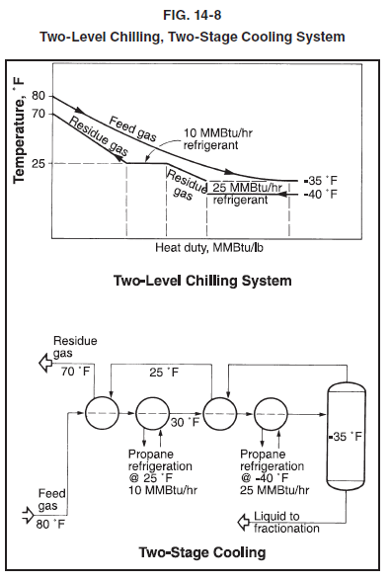

The sample calculations, equations and spreadsheets presented herein were developed using examples published in the Engineering Data Book as published by the Gas Processor Suppliers Association as a service to the gas processing industry. All information and calculation formulae has been compiled and edited in cooperation with Gas Processors Association (GPA).
While every effort has been made to present accurate and reliable technical information and calculation spreadsheets based on the GPSA Engineering Data Book sample calculations, the use of such information is voluntary and the GPA and GPSA do not guarantee the accuracy, completeness, efficacy, or timeliness of such information. Reference herein to any specific commercial product, calculation method, process, or service by trade-name, trademark, and service mark manufacturer or otherwise does not constitute or imply endorsement, recommendation or favoring by the GPA and/or GPSA.
The Calculation Spreadsheets are provided without warranty of any kind including warranties of accuracy or reasonableness of factual or scientific assumptions, studies or conclusions, or merchantability, fitness for a particular purpose, or non-infringement of intellectual property.
In no event will the GPA or GPSA and their members be liable for any damages whatsoever (including without limitation, those resulting from lost profits, lost data or business interruption) arising from the use, inability to, reference to or reliance on the information in this Publication, whether based on warranty, contract, tort or any other legal theory and whether or not advised of the possibility of such damages.
These calculation spreadsheets are provided to provide an “Operational level” of accuracy calculation based on rather broad assumptions (including but not limited to: temperatures, pressures, compositions, imperial curves, site conditions etc) and do not replace detailed and accurate Design Engineering taking into account actual process conditions, fluid properties, equipment condition or fowling and actual control set-point dead-band limitations.

Figure 14-9
GPSA Engineering Data Book 14th Edition

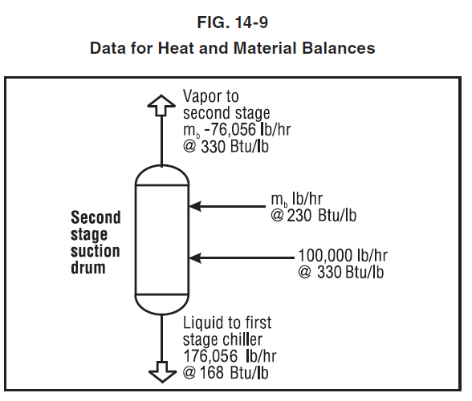

The sample calculations, equations and spreadsheets presented herein were developed using examples published in the Engineering Data Book as published by the Gas Processor Suppliers Association as a service to the gas processing industry. All information and calculation formulae has been compiled and edited in cooperation with Gas Processors Association (GPA).
While every effort has been made to present accurate and reliable technical information and calculation spreadsheets based on the GPSA Engineering Data Book sample calculations, the use of such information is voluntary and the GPA and GPSA do not guarantee the accuracy, completeness, efficacy, or timeliness of such information. Reference herein to any specific commercial product, calculation method, process, or service by trade-name, trademark, and service mark manufacturer or otherwise does not constitute or imply endorsement, recommendation or favoring by the GPA and/or GPSA.
The Calculation Spreadsheets are provided without warranty of any kind including warranties of accuracy or reasonableness of factual or scientific assumptions, studies or conclusions, or merchantability, fitness for a particular purpose, or non-infringement of intellectual property.
In no event will the GPA or GPSA and their members be liable for any damages whatsoever (including without limitation, those resulting from lost profits, lost data or business interruption) arising from the use, inability to, reference to or reliance on the information in this Publication, whether based on warranty, contract, tort or any other legal theory and whether or not advised of the possibility of such damages.
These calculation spreadsheets are provided to provide an “Operational level” of accuracy calculation based on rather broad assumptions (including but not limited to: temperatures, pressures, compositions, imperial curves, site conditions etc) and do not replace detailed and accurate Design Engineering taking into account actual process conditions, fluid properties, equipment condition or fowling and actual control set-point dead-band limitations.

Figure 14-11
GPSA Engineering Data Book 14th Edition

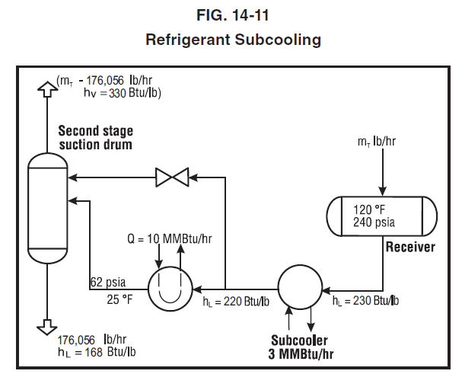

The sample calculations, equations and spreadsheets presented herein were developed using examples published in the Engineering Data Book as published by the Gas Processor Suppliers Association as a service to the gas processing industry. All information and calculation formulae has been compiled and edited in cooperation with Gas Processors Association (GPA).
While every effort has been made to present accurate and reliable technical information and calculation spreadsheets based on the GPSA Engineering Data Book sample calculations, the use of such information is voluntary and the GPA and GPSA do not guarantee the accuracy, completeness, efficacy, or timeliness of such information. Reference herein to any specific commercial product, calculation method, process, or service by trade-name, trademark, and service mark manufacturer or otherwise does not constitute or imply endorsement, recommendation or favoring by the GPA and/or GPSA.
The Calculation Spreadsheets are provided without warranty of any kind including warranties of accuracy or reasonableness of factual or scientific assumptions, studies or conclusions, or merchantability, fitness for a particular purpose, or non-infringement of intellectual property.
In no event will the GPA or GPSA and their members be liable for any damages whatsoever (including without limitation, those resulting from lost profits, lost data or business interruption) arising from the use, inability to, reference to or reliance on the information in this Publication, whether based on warranty, contract, tort or any other legal theory and whether or not advised of the possibility of such damages.
These calculation spreadsheets are provided to provide an “Operational level” of accuracy calculation based on rather broad assumptions (including but not limited to: temperatures, pressures, compositions, imperial curves, site conditions etc) and do not replace detailed and accurate Design Engineering taking into account actual process conditions, fluid properties, equipment condition or fowling and actual control set-point dead-band limitations.

Figure 14-23
GPSA Engineering Data Book 14th Edition

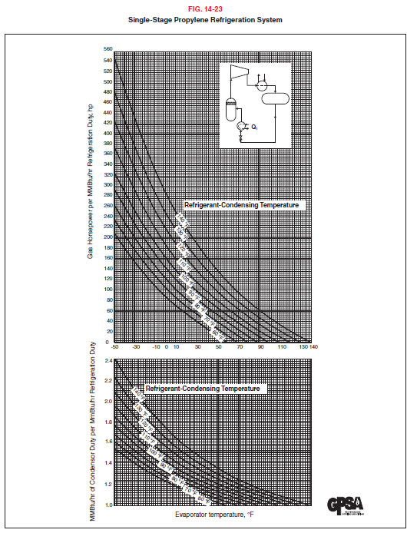

The sample calculations, equations and spreadsheets presented herein were developed using examples published in the Engineering Data Book as published by the Gas Processor Suppliers Association as a service to the gas processing industry. All information and calculation formulae has been compiled and edited in cooperation with Gas Processors Association (GPA).
While every effort has been made to present accurate and reliable technical information and calculation spreadsheets based on the GPSA Engineering Data Book sample calculations, the use of such information is voluntary and the GPA and GPSA do not guarantee the accuracy, completeness, efficacy, or timeliness of such information. Reference herein to any specific commercial product, calculation method, process, or service by trade-name, trademark, and service mark manufacturer or otherwise does not constitute or imply endorsement, recommendation or favoring by the GPA and/or GPSA.
The Calculation Spreadsheets are provided without warranty of any kind including warranties of accuracy or reasonableness of factual or scientific assumptions, studies or conclusions, or merchantability, fitness for a particular purpose, or non-infringement of intellectual property.
In no event will the GPA or GPSA and their members be liable for any damages whatsoever (including without limitation, those resulting from lost profits, lost data or business interruption) arising from the use, inability to, reference to or reliance on the information in this Publication, whether based on warranty, contract, tort or any other legal theory and whether or not advised of the possibility of such damages.
These calculation spreadsheets are provided to provide an “Operational level” of accuracy calculation based on rather broad assumptions (including but not limited to: temperatures, pressures, compositions, imperial curves, site conditions etc) and do not replace detailed and accurate Design Engineering taking into account actual process conditions, fluid properties, equipment condition or fowling and actual control set-point dead-band limitations.

