Nomenclature
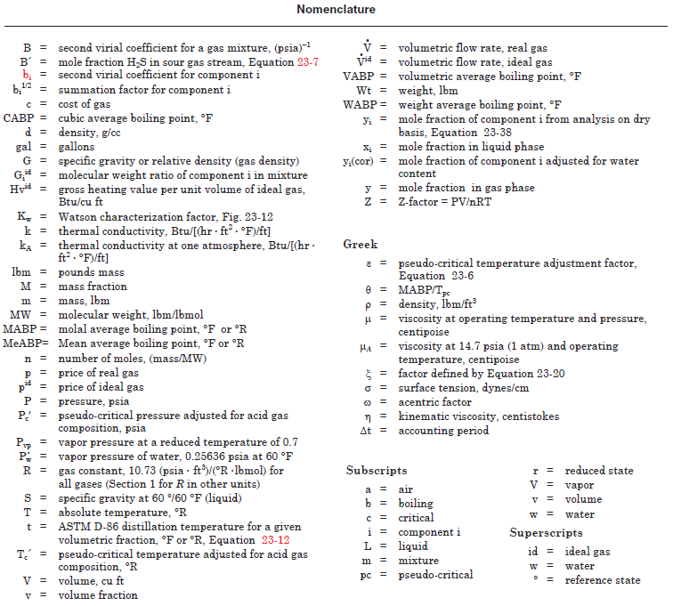
GPSA Engineering Data Book 14th Edition

FIG. 23-1

