Nomenclature
GPSA Engineering Data Book 14th Edition

FIG. 9-1
Nomenclature
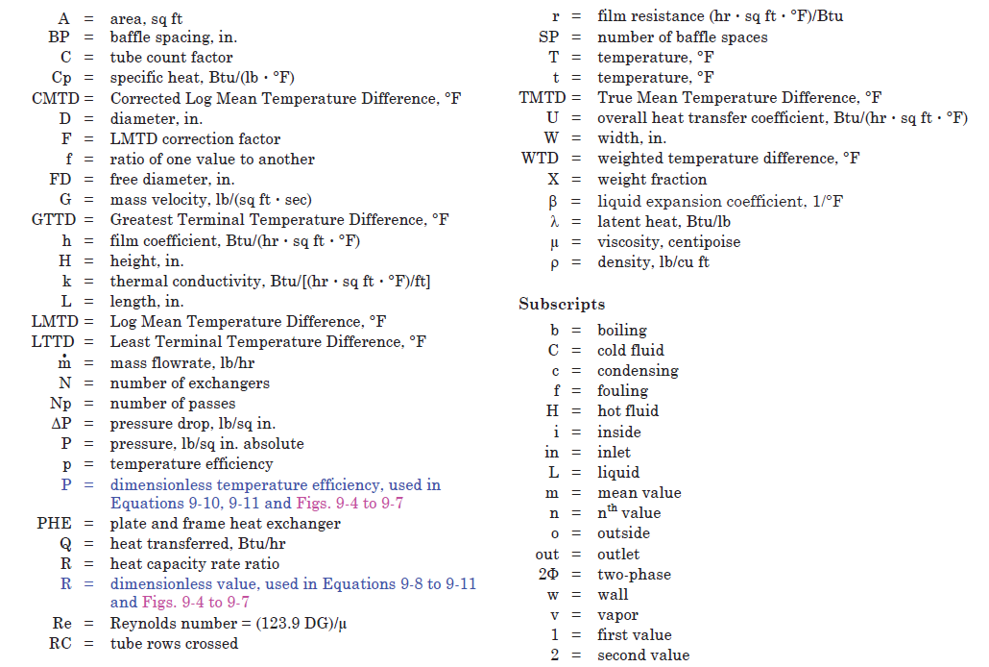

Example 9-3
GPSA Engineering Data Book 14th Edition

Example 9-3 Determine shell diameter |  |  |  |  | Application 9-3 Determine shell diameter |  |  |  |  |  | From Figure 9-26 |  |  |  |  |  | From Figure 9-27 |  |  |  |  | From Figure 9-28
Given values: |  |  |  |  |  |  |  |  |  |  | Pitch Layout | Multiplier | Tube OD | Tube OD | Pitch | Shell Inside Diameter |  | Number of Passes |  |  |  |  | Type
No. tubes | 320 |  |  |  | Operating Conditions and Design |  |  |  |  |  | Triangle | 1 | 1 | 1 | 1.25 | 25 | Shell Diameter | 2 | 4 | 6 | 8 | Shell Diameter | Fixed Tubesheet | Split Ring | Pull Through
Tube OD | 1 | inches |  |  |  |  |  |  |  |  | Square | 1.075 | 0.75 | 0.75 | 1 | 21 | <12" | 1.1 | 1.2 | 1.35 |  | <27" | None | 0.625 | 3.5
Pitch layout | Square |  |  |  | Number of Tubes |  | = | 320 |  |  |  |  | 0.625 | 0.75 | 0.9375 | 20 |  | 2 | 4 | 6 | 8 |  | Fixed Tubesheet | Split Ring | Pull Through
Tube passes | Four |  |  |  | Tube OD | Do | = | 1 | inch |  |  |  |  | 0.625 | 0.8125 | 17 | 12" to 24" | 1.03 | 1.08 | 1.12 | 1.25 | 27" to 41" | None | 1 | 4
Split ring floating head |  |  |  |  | Tube Pitch |  |  | 1.25 | inch |  |  |  |  |  |  |  |  | 2 | 4 | 6 | 8 |  | Fixed Tubesheet | Split Ring | Pull Through
Allow for inlet flow area |  |  |  |  | Pitch Layout |  | = | Square |  |  | Tube OD | 1 | 0.75 | 0.75 | 0.625 |  | 25" to 41" | 1.02 | 1.05 | 1.07 | 1.08 | >41" | None | 1.625 | 5
 |  |  | Calculation |  | Number of Passes | Np | = | 4 |  |  | Pitch | 1.25 | 1 | 0.9375 | 0.8125 |  |  | 2 | 4 | 6 | 8
Step 1. From the top curve (1" OD tubes on 1-1/4" pitch) of Fig 9-26 read 25" corresponding to 320 tubes. |  |  | 25 | inches | Type of Construction |  | = | Split Ring |  |  | Number of Tubes | Shell ID | Shell ID | Shell ID | Shell ID |  | >41" | 1.01 | 1.03 | 1.04 | 1.06
Number of tubes can range from 200 to 2,000. |  |  |  |  | Allow for Inlet or Outlet Flow Area |  | = | YES |  |  | 200 | 20.5 | 16.5 | 16 | 14
 |  |  |  |  |  |  |  |  |  |  | 300 | 24 | 19.5 | 18.5 | 16 |  | Area Allowance
Step 2. Correct for square pitch by multiplying by 1.075 (see note on Fig 9-26). |  |  | 26.875 | inches | Initial Shell ID |  | = | 25 | inches | Figure 9-26 | 400 | 27 | 22 | 21 | 18 |  | YES | 1.02
 |  |  |  |  | Pitch Layout Multiplier |  | = | 1.075 |  | Figure 9-26 | 500 | 31 | 25 | 23.5 | 20.5 |  | NO | 1
Step 3. Use Fig 9-27 to correct for four pass by multiplying by 1.05 |  |  | 28.21875 | inches | Pass Multiplier |  | = | 1.05 |  | Figure 9-27 | 600 | 34 | 27 | 26 | 22
Number of tube passes is limited to 2, 4, 6, or 8. |  |  |  |  | Flow Area Multiplater |  | = | 1.02 |  | Figure 9-27 | 700 | 36.5 | 29 | 28 | 24
Step 4. Correct for inlet flow area by mutlipling by 1.02 |  |  | 28.783125 | inches | Shell ID Subtotal |  | = | 28.78 | inches |  | 800 | 38.5 | 31 | 29.5 | 25.5
To allow for entrance or exit areas, multiply shell ID from Fig. 9-26 by 1.02 for each inlet or outlet area to be used. |  |  |  |  | Type of Construction Adder |  | = | 1 | inches | Figure 9-28 | 900 | 41 | 33 | 31.5 | 27
Step 5. From Fig 9-28, correct for split ring floating head by adding 1". |  |  | 29.783125 | inches |  |  |  |  |  |  | 1000 | 43 | 34.5 | 33 | 28.5
 |  |  |  |  | Shell ID |  | = | 30 | inches |  | 1100 | 45 | 36 | 34 | 29.5
Round up to nearest inch. Use as ID. |  |  | 30 | inches |  |  |  |  |  |  | 1200 | 47 | 37 | 35.5 | 31
 |  |  |  |  |  |  |  |  |  |  | 1300 | 49 | 39 | 37 | 32
 |  |  |  |  |  |  |  |  |  |  | 1400 | 50.5 | 40.5 | 38 | 33.5
 |  |  |  |  |  |  |  |  |  |  | 1500 | 52 | 42 | 39.5 | 34.5
 |  |  |  |  |  |  |  |  |  |  | 1600 | 54 | 43 | 41 | 35.5
 |  |  |  |  |  |  |  |  |  |  | 1700 | 56 | 44.5 | 42.5 | 36.5
 |  |  |  |  |  |  |  |  |  |  | 1800 | 57 | 46 | 43.5 | 37.5
 |  |  |  |  |  |  |  |  |  |  | 1900 | 58.5 | 47 | 44 | 38.5
 |  |  |  |  |  |  |  |  |  |  | 2000 | 60 | 48.5 | 45.5 | 39.5

The sample calculations, equations and spreadsheets presented herein were developed using examples published in the Engineering Data Book as published by the Gas Processor Suppliers Association as a service to the gas processing industry. All information and calculation formulae has been compiled and edited in cooperation with Gas Processors Association (GPA).
While every effort has been made to present accurate and reliable technical information and calculation spreadsheets based on the GPSA Engineering Data Book sample calculations, the use of such information is voluntary and the GPA and GPSA do not guarantee the accuracy, completeness, efficacy, or timeliness of such information. Reference herein to any specific commercial product, calculation method, process, or service by trade-name, trademark, and service mark manufacturer or otherwise does not constitute or imply endorsement, recommendation or favoring by the GPA and/or GPSA.
The Calculation Spreadsheets are provided without warranty of any kind including warranties of accuracy or reasonableness of factual or scientific assumptions, studies or conclusions, or merchantability, fitness for a particular purpose, or non-infringement of intellectual property.
In no event will the GPA or GPSA and their members be liable for any damages whatsoever (including without limitation, those resulting from lost profits, lost data or business interruption) arising from the use, inability to, reference to or reliance on the information in this Publication, whether based on warranty, contract, tort or any other legal theory and whether or not advised of the possibility of such damages.
These calculation spreadsheets are provided to provide an “Operational level” of accuracy calculation based on rather broad assumptions (including but not limited to: temperatures, pressures, compositions, imperial curves, site conditions etc) and do not replace detailed and accurate Design Engineering taking into account actual process conditions, fluid properties, equipment condition or fowling and actual control set-point dead-band limitations.

Example 9-4
GPSA Engineering Data Book 14th Edition

Example 9-4 Approximate sizing a gas-to-gas exchanger |  |  |  |  |  | Application 9-4 Approximate sizing a gas-to-gas exchanger
Given values: |  | Operating press |  | Typical mass velocity from Fig. 9-40. |  |  |  |  |  |  |  | Exchanger Width |  | From Figure 9-40
Warm feed gas press | = | 810 | psia | 18.6 | sq.ft./sec | Operating Conditions and Design |  |  |  |  |  | 12
Residue gas press | = | 205 | psia | 9.7 | sq.ft./sec |  |  |  |  |  |  | 17 |  | Operating Pressure | Mass Velocity
Recycle gas press | = | 285 | psia | 11.6 | sq.ft./sec | Warm Feed Flow Rate Vapor Inlet | mH-in-V | = | 40650 | lb/hr |  | 25 |  | 25 | 3
Number of exchangers | = | 1 |  |  |  | Warm Feed Flow Rate Liquid Inlet | mH-in-L | = | 0 | lb/hr |  | 36 |  | 50 | 4.3
Fin surface type - serrated |  |  |  |  |  | Warm Feed Flow Rate Vapor Outlet | mH-out-V | = | 32195 | lb/hr |  | 42 |  | 100 | 6.5
Assumed exchanger width | = | 25 | inches | Common widths are 12, 17, 25, 35, 42, and 48 inches. |  | Warm Feed Flow Rate Liquid Outlet | mH-out-L | = | 8455 | lb/hr |  | 48 |  | 150 | 8.25
Inlet vapor flow rate, feed gas | = | 40,650 | lb/hr |  |  | Warm Feed Gas Pressure | PH | = | 810 | psia |  |  |  | 200 | 9.7
Inlet vapor flow rate, residue | = | 31,320 | lb/hr |  |  | Warm Feed Gas Inlet Density Vapor | ρH-in-V | = | 2.79 | lb/ft3 |  |  |  | 250 | 10.8
Inlet vapor flow rate, recycle | = | 14,780 | lb/hr |  |  | Warm Feed Gas Inlet Density Liquid | ρH-in-L | = |  | lb/ft3 |  |  |  | 300 | 11.8
Feed gas exchanger duty | = | 5,500,000 | btu/hr |  |  | Warm Feed Gas Outlet Density Vapor | ρH-out-V | = | 4.84 | lb/ft3 |  | Fin Type |  | 350 | 12.75
Feed gas exchanger CMTD | = | 11.2 | degF |  |  | Warm Feed Gas Outlet Density Liquid | ρH-out-L | = | 28 | lb/ft3 |  | Serrated |  | 400 | 13.6
Allowable pressure drop, feed gas | = | 10 | psia |  |  | Feed Gas Phase |  | = | Condensing |  |  | Perforated |  | 450 | 14.5
Allowable pressure drop, residue gas | = | 7 | psia |  |  |  |  |  |  |  |  |  |  | 500 | 15.2
Allowable pressure drop, recycle gas | = | 7 | psia |  |  | Residue Flow Rate Vapor Inlet | mC1-in-V | = | 31320 | lb/hr |  |  |  | 550 | 15.75
Feed gas Xv @ 54 degF (Fig 9-39) | = | 0.792 |  |  |  | Residue Flow Rate Liquid Inlet | mC1-in-L | = | 0 | lb/hr |  |  |  | 600 | 16.5
One (1) minus Feed gas Xv | = | 0.208 |  |  |  | Residue Flow Rate Vapor Outlet | mC1-out-V | = | 31320 | lb/hr |  | Gas to Gas | Length | 650 | 17
Density of feed gas outlet (Fig. 9-38) | = | 4.840 | lb/cu.ft. |  |  | Residue Flow Rate Liquid Outlet | mC1-out-L | = | 0 | lb/hr |  | Serrated | 178 | 700 | 17.5
Density of feed gas liquid outlet (Fig. 9-38) | = | 28 | lb/cu.ft. |  |  | Residue Gas Pressure | PC1 | = | 205 | psia |  | Perforated | 258 | 750 | 18
Density of feed gas vapor inlet (Fig 9-38) | = | 2.790 | lb/cu.ft. |  |  | Residue Gas Inlet Density Vapor | ρC1-in-V | = | 1.02 | lb/ft3 |  |  |  | 800 | 18.5
Density of residue gas vapor in (Fig. 9-38) | = | 1.020 | lb/cu.ft. |  |  | Residue Gas Inlet Density Liquid | ρC1-in-L | = |  | lb/ft3 |  | Demethanizer Reboiler | Length | 850 | 19
Density of residue gas vapor out (Fig. 9-38) | = | 0.560 | lb/cu.ft. |  |  | Residue Gas Outlet Density Vapor | ρC1-out-V | = | 0.56 | lb/ft3 |  | Serrated | 151 | 900 | 19.5
Density of recycle gas vapor inlet (Fig 9-38) | = | 1.320 | lb/cu.ft. |  |  | Residue Gas Outlet Density Liquid | ρC1-out-L | = |  | lb/ft3 |  | Perforated | 217 | 950 | 20
Density of recycle gas vapor outlet (Fig 9-38) | = | 0.800 | lb/cu.ft. |  |  | Residue Gas Phase |  | = | All Vapor |  |  |  |  | 1000 | 20.25
Step 1. Determine Exchanger Cross Section |  |  |  |  |  |  |  |  |  |  |  | Phase | All Vapor dP | 1050 | 20.75
From Fig 9-40 select the typical mass |  |  |  |  |  | Recycle Flow Rate Vapor Inlet | mC2-in-V | = | 14780 | lb/hr |  | All Vapor | Serrated | 1100 | 21
velocities (G) for each stream |  |  |  |  |  | Recycle Flow Rate Liquid Inlet | mC2-in-L | = | 0 | lb/hr |  | Condensing | Perforated | 1150 | 21.25
GH | = | 18.6 | sq.ft/sec |  |  | Recycle Flow Rate Vapor Outlet | mC2-out-V | = | 14780 | lb/hr |  |  |  | 1200 | 21.5
GC | = | 9.7 | sq.ft/sec |  |  | Recycle Flow Rate Liquid Outlet | mC2-out-L | = | 0 | lb/hr |  | Exchanger Type | Exchanger Cross Section
GC | = | 11.6 | sq.ft/sec |  |  | Recycle Gas Pressure | PC2 | = | 285 | psia |  | Gas to Gas | 22.6
 |  |  |  |  |  | Recycle Gas Inlet Density Vapor | ρC2-in-V | = | 1.32 | lb/ft3 |  | Demethanizer Reboiler | 14.4
Compute the exchanger height, H | = | 22.2 | inches |  |  | Recycle Gas Inlet Density Liquid | ρC2-in-L | = |  | lb/ft3
Exchanger cross section is establishes as 25" wide X 22.2" high |  |  |  |  |  | Recycle Gas Outlet Density Vapor | ρC2-out-V | = | 0.8 | lb/ft3
 |  |  |  |  |  | Recycle Gas Outlet Density Liquid | ρC2-out-L | = |  | lb/ft3
Step 2. Determine exchanger length. |  |  |  |  |  | Recycle Gas Phase |  | = | All Vapor
First use Fig. 9-39 to calculate UA. | = | 490,196 | btu/hr-degF
 |  |  |  |  |  | Exchanger Type |  | = | Gas to Gas
Use Eq. 9-17 (one, gas-to-gas, serrated fin, 25" X 22.2", and required UA = 490,200 BTU/hr-degF exchanger) to obtain exchanger length. | = | 180 | inches |  |  | Number of Exchangers | N | = | 1
 |  |  |  |  |  | Exchanger Width | W | = | 25 | inches
Exchanger size is established as 25" X 22.2" X 180 "
If exchanger length is too long for packaging and/or transportation, then lower G and return to Step 1. |  |  |  |  |  | Feed Gas Exchanger Duty | Q | = | 5500000 | Btu/hr
Step 3. Check pressure drops |  |  |  |  |  | Feed Gas Corrected Log Mean Temperature Difference | CMTD | = | 11.22 | °F
Feed gas density out | = | 5.85 | lb/cu.ft.
Feed gas mean density, ρm (Eq. 9-26) | = | 3.78 | lb/cu.ft. |  |  | Fin Type |  | = | Serrated
Delta P (Eq. 9-23). Compare with 10.0 psi allowed | = | 9.9 | psi

Residue gas mean density, ρm | = | 0.72 | lb/cu.ft. |  |  | Determine Length
Delta P (Eq. 9-22). Compare with 7.0 psi allowed | = | 7.3 | psi
 |  |  |  |  |  | Feed Gas Mass Velocity | GH | = | 18.8 | lb/(ft2-s) | Figure 9-40
Recycle gas mean density, ρm | = | 1.00 | lb/cu.ft. |  |  | Residue Gas Mass Velocity | GC1 | = | 9.4 | lb/(ft2-s) | Figure 9-40
Delta P (Eq. 9-22). Compare with 7.0 psi allowed | = | 7.26 | psi |  |  | Recycle Gas Mass Velocity | GC2 | = | 11.4 | lb/(ft2-s) | Figure 9-40

If above pressure drops are excessive, then lower G and return to Step 1. |  |  |  |  |  | Cross Exchanger Stack Height | H | = | 22.6 | inches | Equation 9-22/23 (if applicable)
This estimation is suitable for condensing up to 30 wt% of vapors in the feed gas, or for reboilers vaporizing up to 20 wt% of feed liquid. For services outside these limits, a plate fin design specialist should be consulted. |  |  |  |  |  |  | UA | = | 490200 | Btu/(hr-°F)
 |  |  |  |  |  | Exchanger Length | L | = | 178 |  | Equation 9-24/25/26/27/28 (if applicable)

 |  |  |  |  |  | Determine Pressure Drop

 |  |  |  |  |  | Feed Inlet Phase |  | = | VAPOR
 |  |  |  |  |  | Feed Inlet Density | ρH-in | = | 2.79 | lb/ft3 | Equation 9-34 (if applicable)
 |  |  |  |  |  | Feed Outlet Phase |  | = | TWO PHASE
 |  |  |  |  |  | Feed Outlet Density | ρH-out | = | 5.85 | lb/ft3 | Equation 9-34 (if applicable)
 |  |  |  |  |  | Feed Average Density | ρHm | = | 3.78 | lb/ft3 | Equation 9-33
 |  |  |  |  |  | Feed Pressure Drop | ΔPH | = | 9.96 | psi | Equation 9-29/30/31/32 (if applicable)

 |  |  |  |  |  | Residue Inlet Phase |  | = | VAPOR
 |  |  |  |  |  | Residue Inlet Density | ρC1-in | = | 1.02 | lb/ft3 | Equation 9-34 (if applicable)
 |  |  |  |  |  | Residue Outlet Phase |  | = | VAPOR
 |  |  |  |  |  | Residue Outlet Density | ρC1-out | = | 0.56 | lb/ft3 | Equation 9-34 (if applicable)
 |  |  |  |  |  | Residue Average Density | ρC1m | = | 0.72 | lb/ft3 | Equation 9-33
 |  |  |  |  |  | Residue Pressure Drop | ΔPC1 | = | 6.80 | psi | Equation 9-29/30/31/32 (if applicable)
...

Figures
GPSA Engineering Data Book 14th Edition

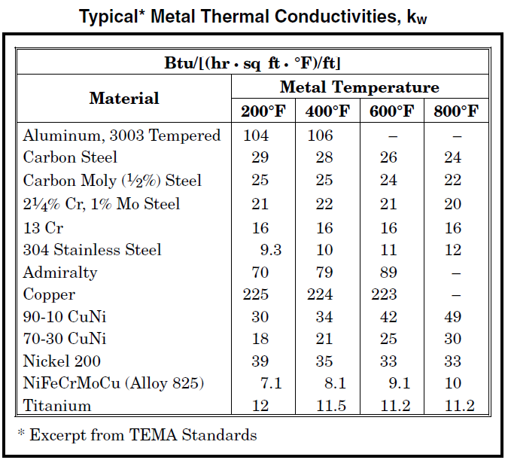
 | Fig-9-8

 | Fig-9-9
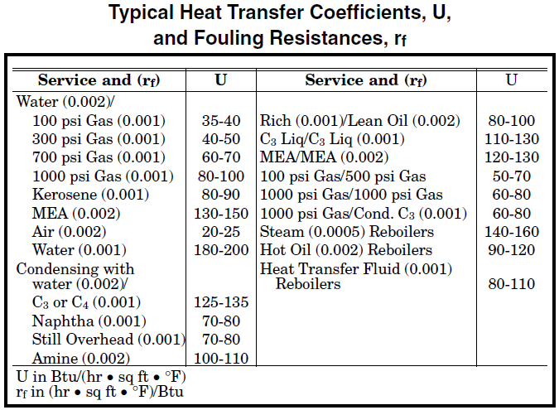

 |  | Fig-9-10
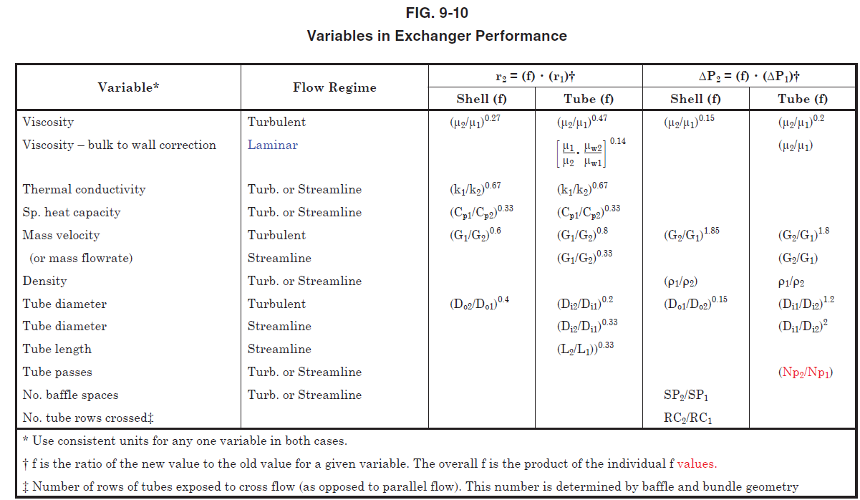

 |  | Fig-9-11
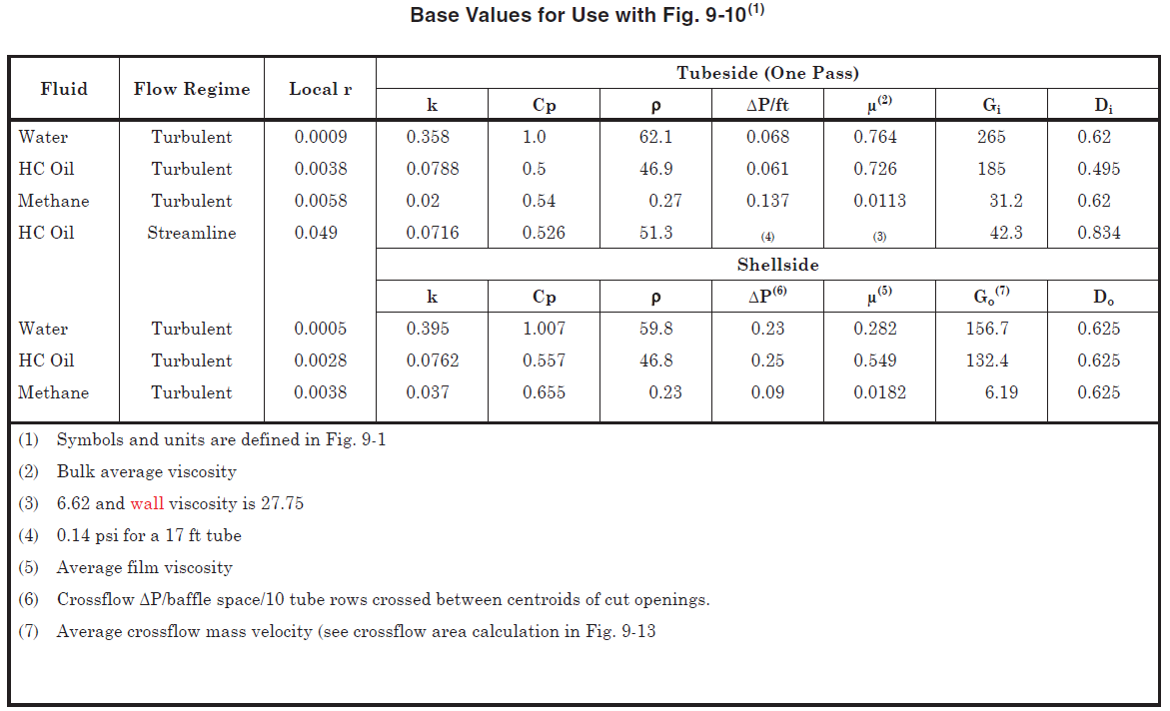

 |  | Fig-9-12
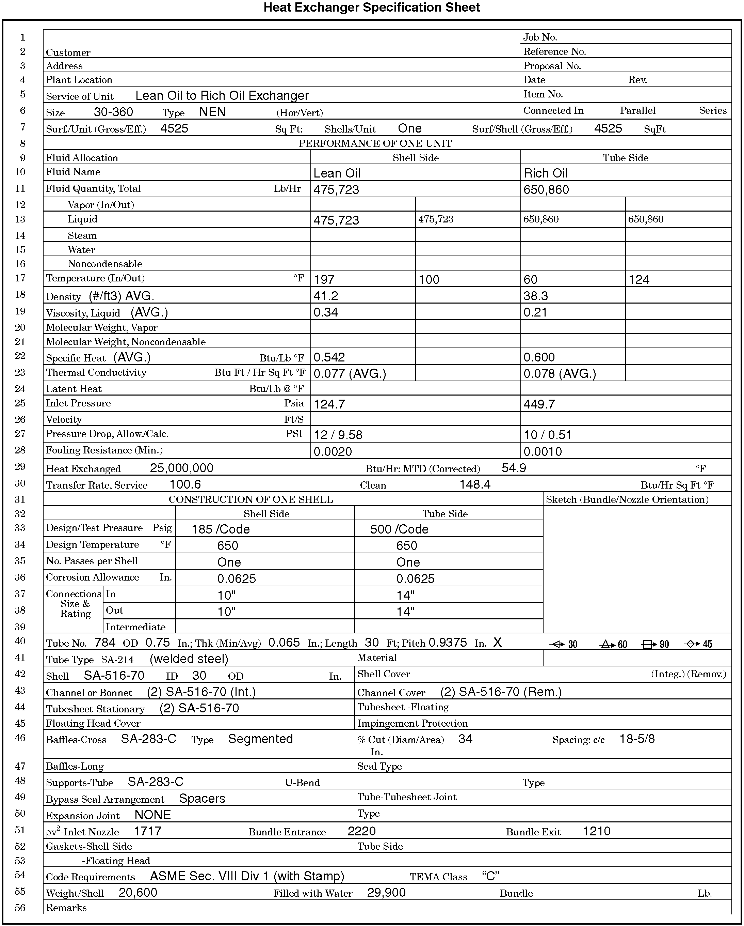

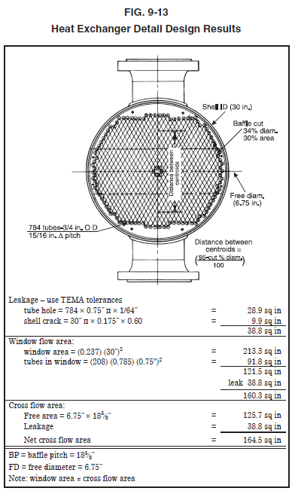
 | Fig-9-13

 | Fig-9-14
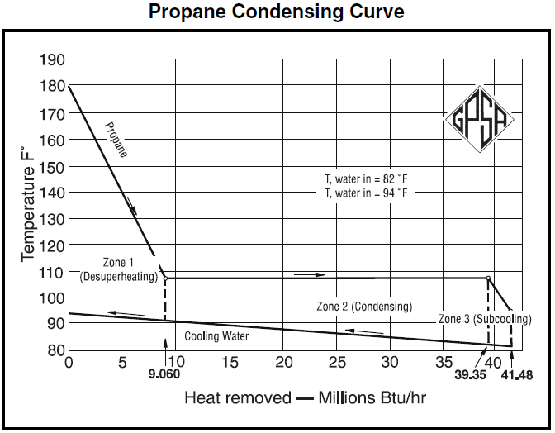

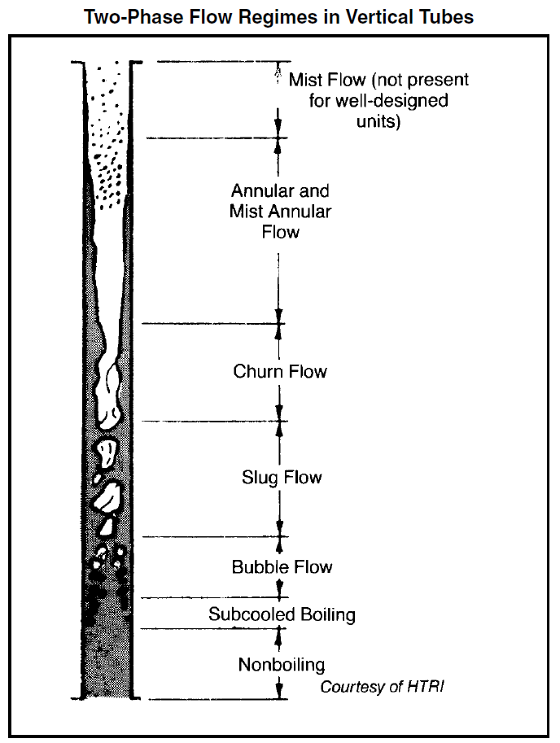
 | Fig-9-17

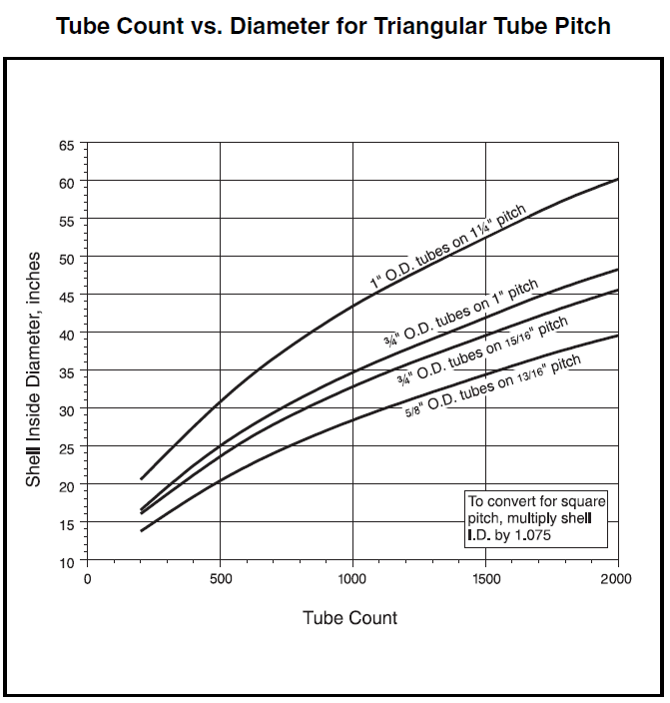
 | Fig-9-26

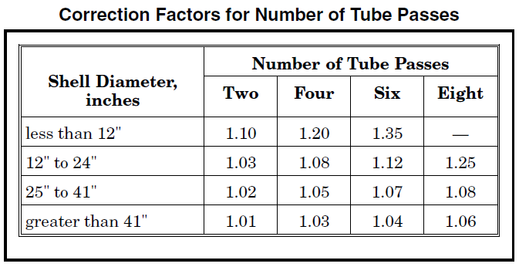
 | Fig-9-27

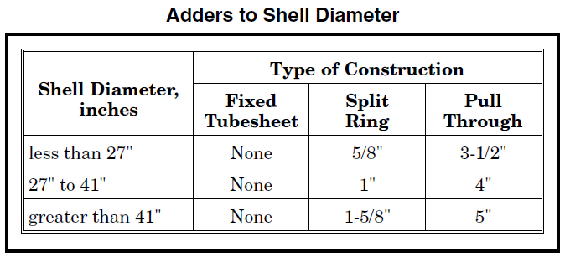
 | Fig-9-28

 | Fig-9-35
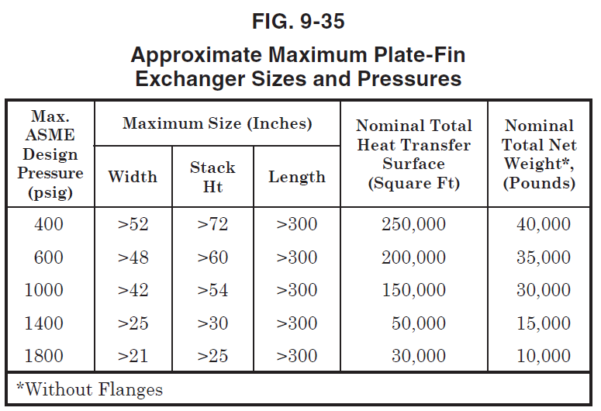

 |  | Fig-9-38
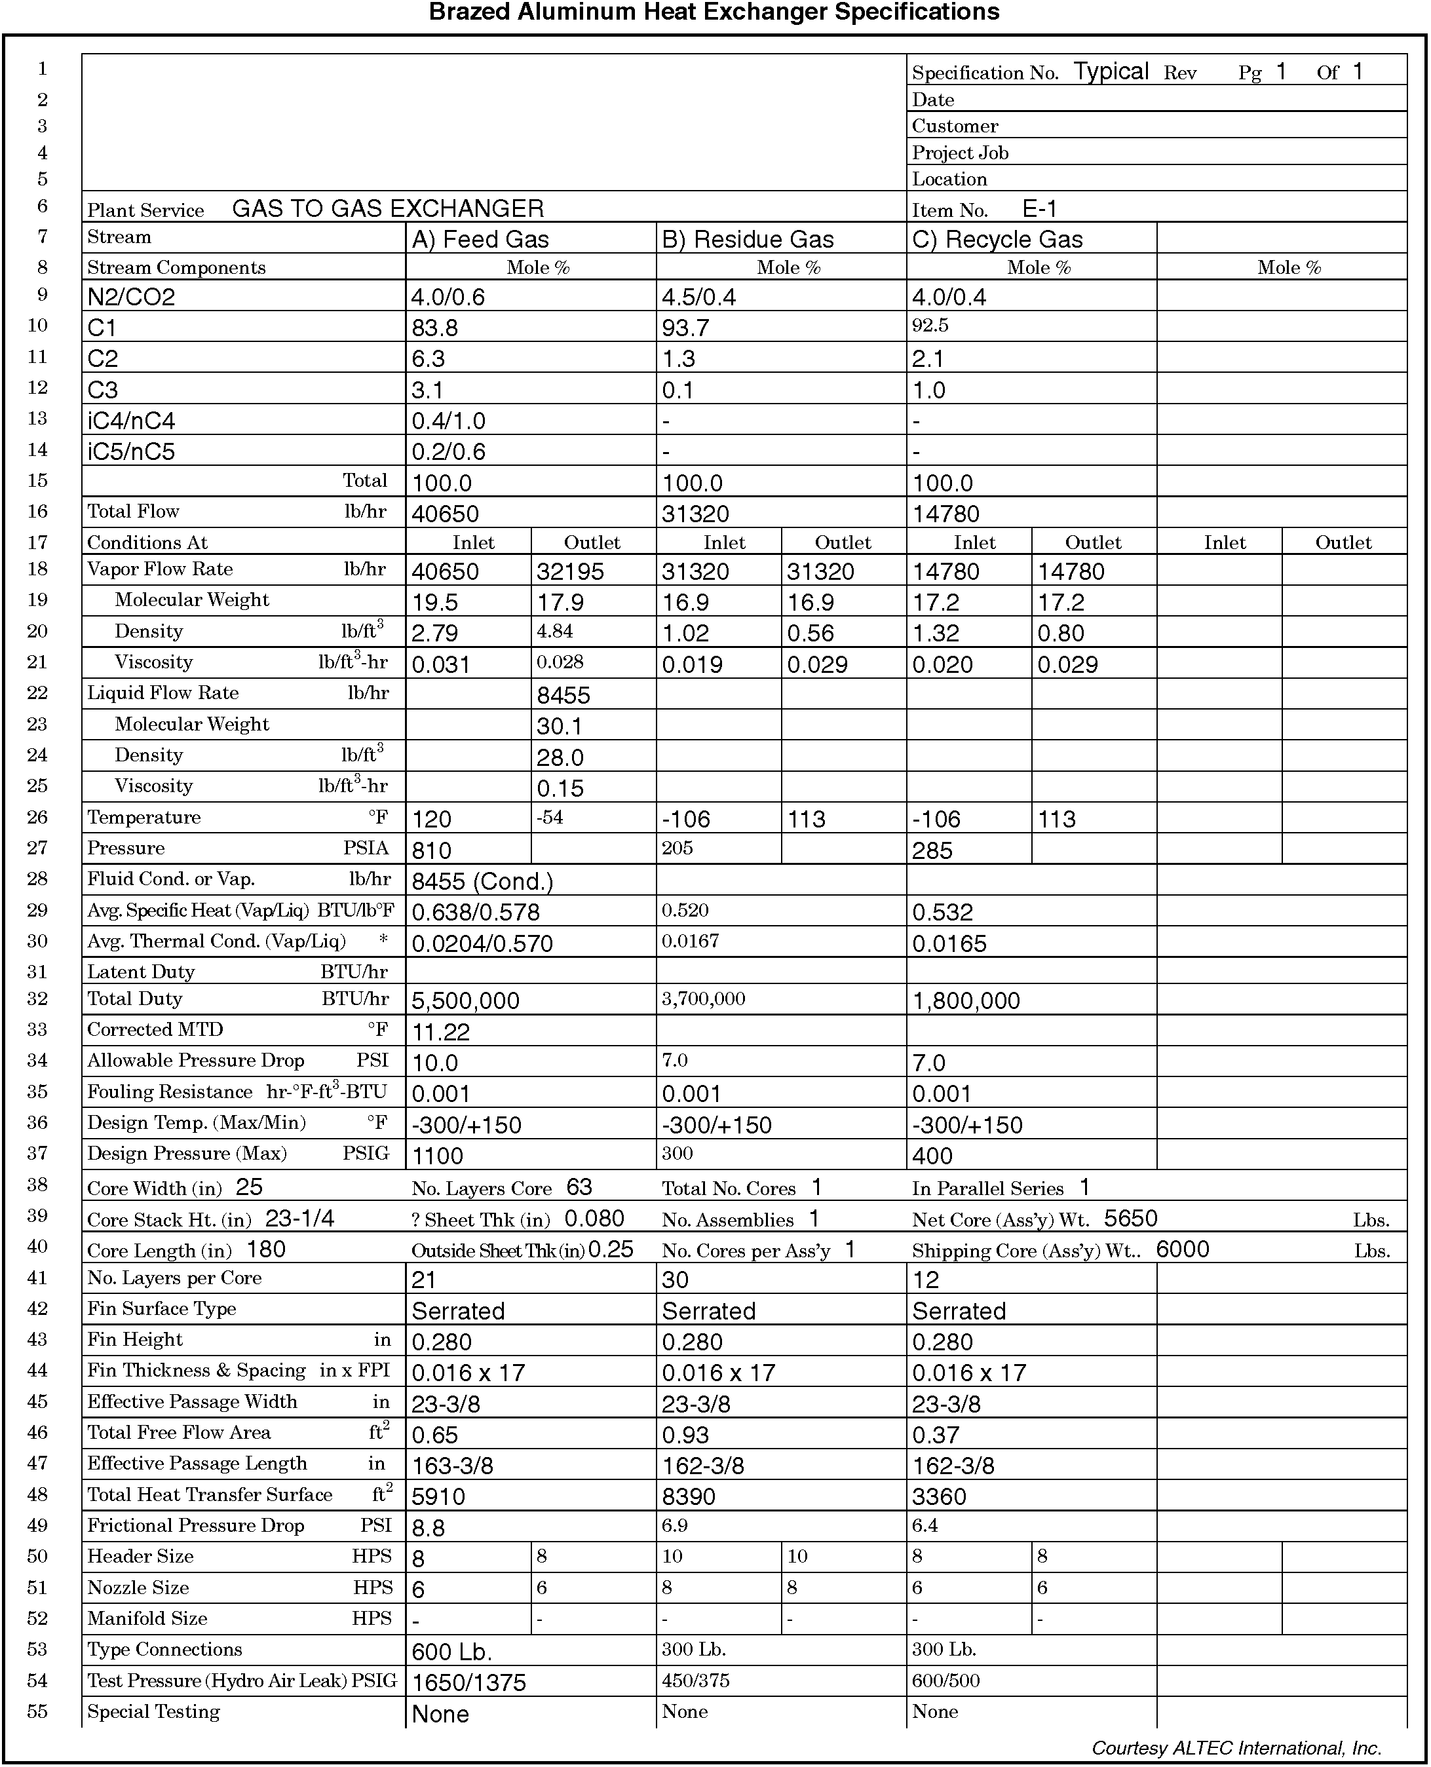

 |  | Fig-9-39
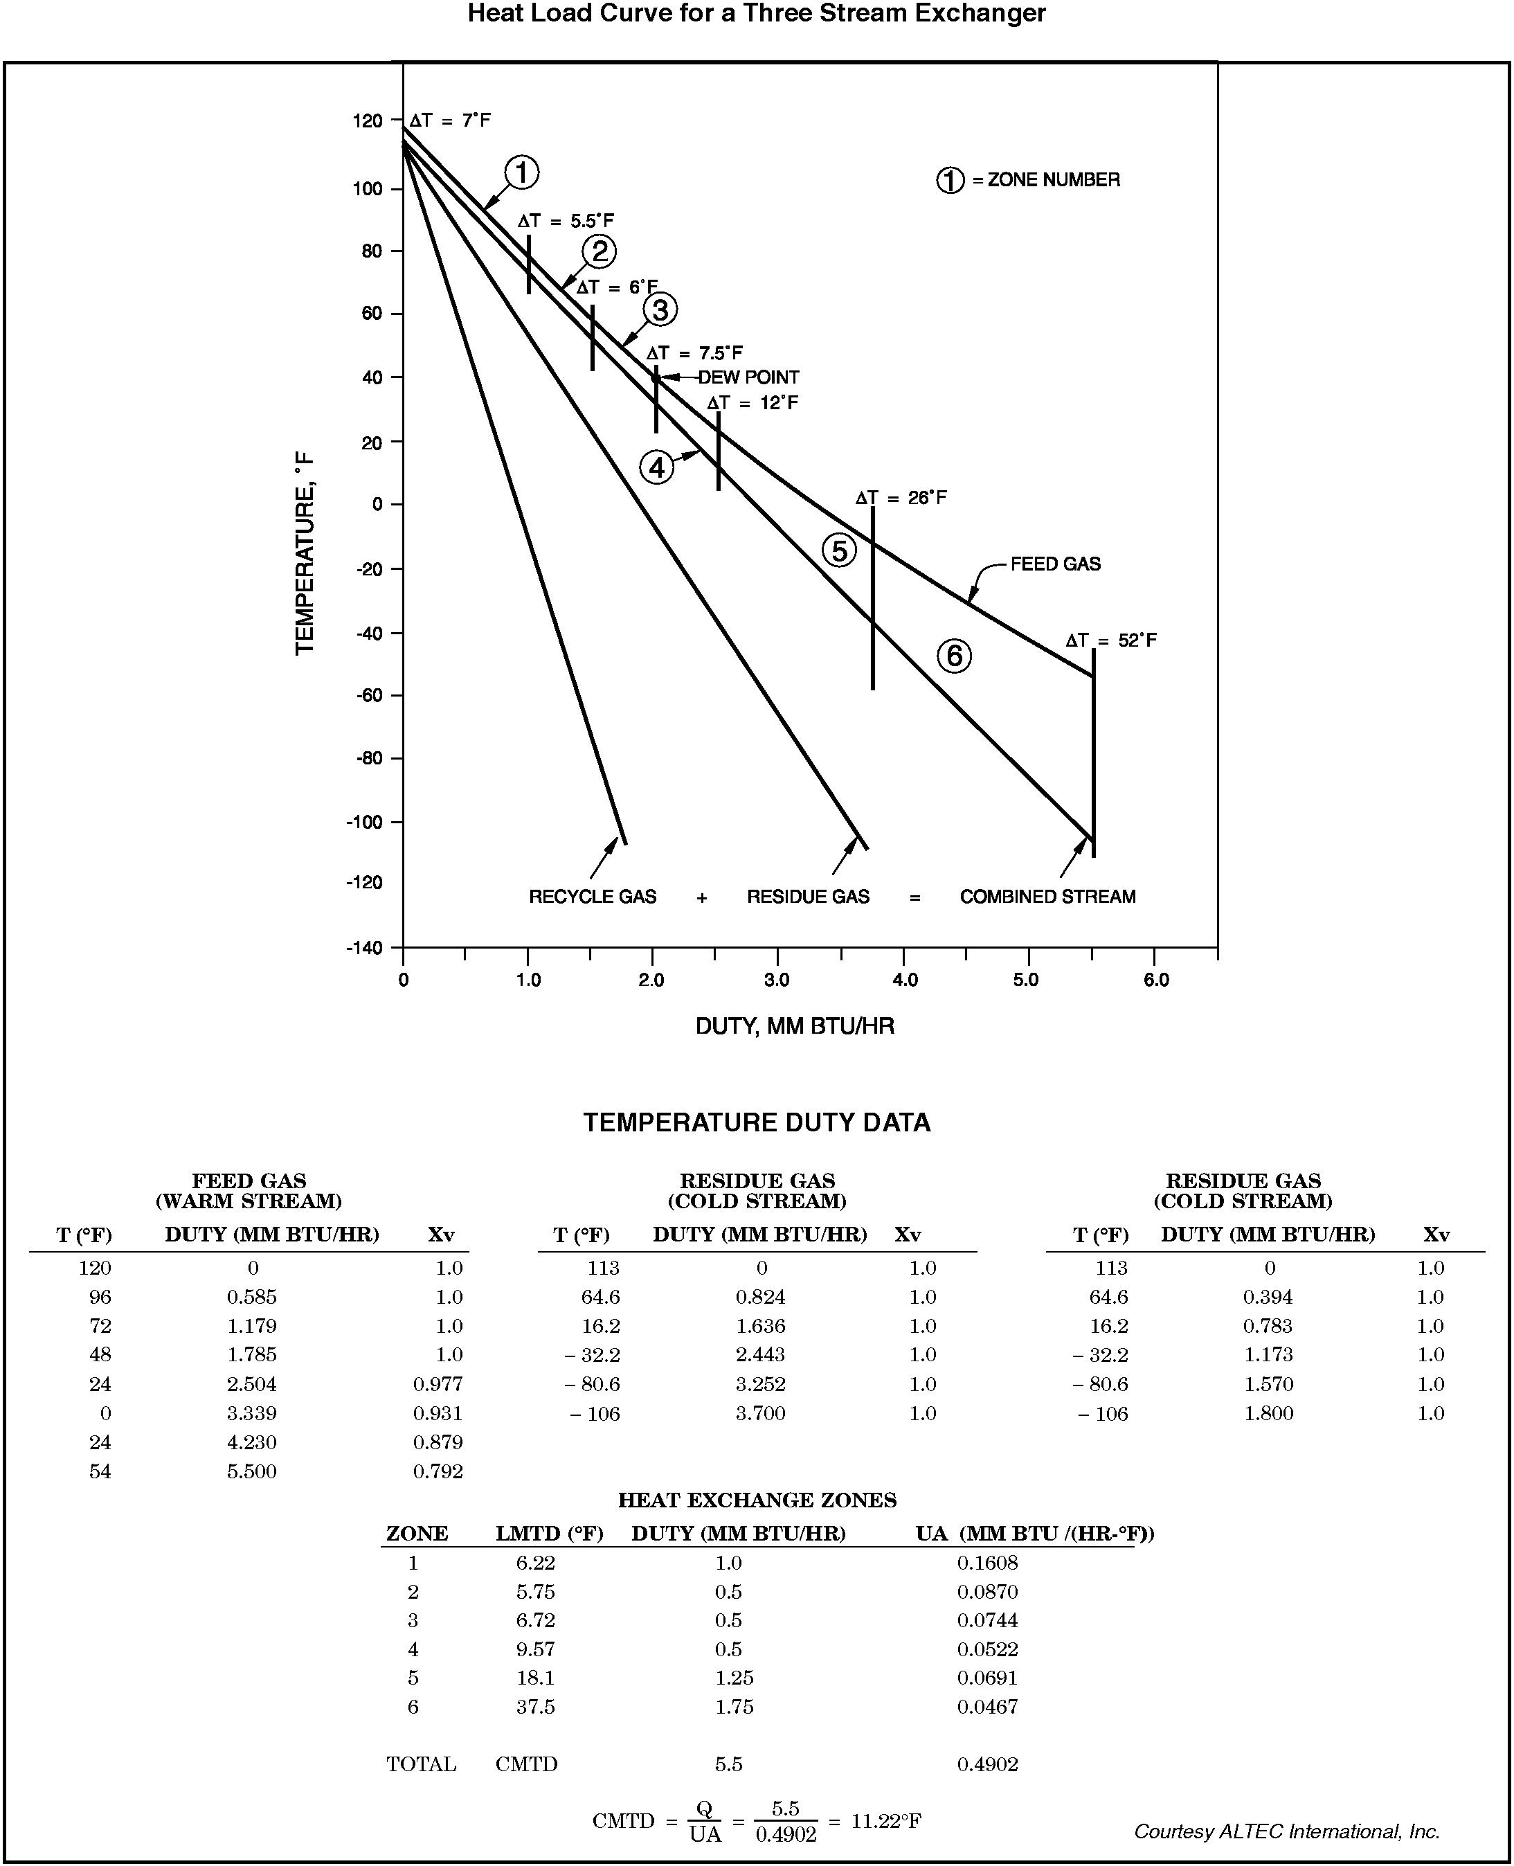

 | Fig-9-40
